Extruder
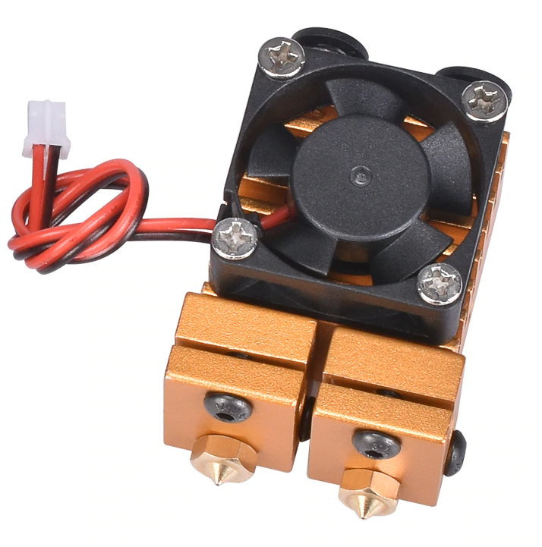
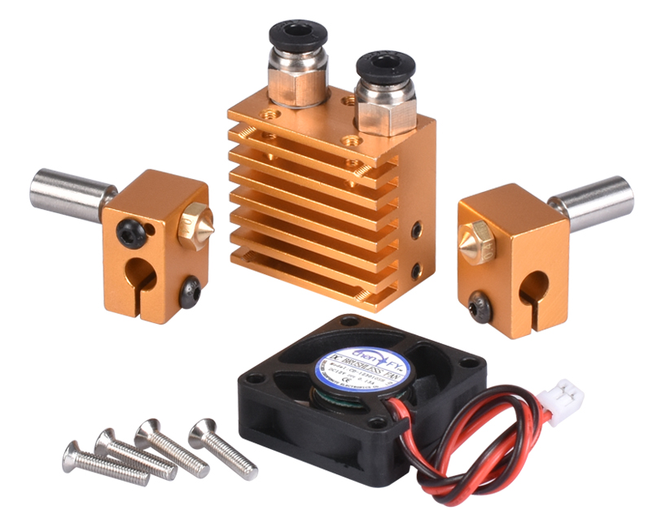
# | Part definition | Description | PCS
56 | Full complect | V6 Dual Nozzle 2 In 2 Out Double Head with 3010 Fun | 1

Electrical
# | Part definition | Description | PCS
79 | HotBed Al 220x220x3 | HotBed Al 220x220x3 | 1
80 | PL-08N Level Sensor | PL-08N Level Sensor | 1
81 | EndStopSwitch | EndStopSwitch | 6
82 | MkB PCB | MKS Gen L V1.0 | 1
83 | A4988 | A4988 Stepper Motor Driver With Heat sin | 5
84 | PowerSupply 12V 30A 360A | PowerSupply 12V25A 300W | 1
85 | LCD 2004 screen | LCD 2004 screen | 1
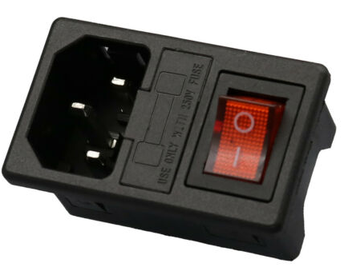
86 | 15A 250V IEC320 C14 3 Pin Fused Power Socket Connector Rocker Switch | 15A 250V IEC320 C14 3 Pin Fused Power Socket Connector Rocker Switch | 1

